B.Gel Filtration Chromatography
B. Separate the protein bovine serum albumin (BSA; MW = 66 kDa) from NADH (MW = 763 Da) using gel filtration chromatography

1. Wash column 3 times with buffer - in between collect 6 drops into a weigh boat and note weight below.
 |  | Weight of 6 drops = | 0.123 | gm
 |  | Assume density = | 1.000 | gm/ml
0.123
 |  | So, volume of 6 drops = |  | ml

2. Follow your Notes and Slides carefully as all details are given there, collecting 6 drops each in a total of 18 cuvettes. Measure absorabance values.
3. Additionally, you may need to collect 6 drops in 2 more cuvettes - your tutor will advise you on this.

Separation of BSA and NADH using Gel Filtration Chromatography
 | 280 nm | 340 nm
0.123 | 0.047 | -0.021
0.246 | 0.027 | -0.038
0.369 | 0.037 | -0.026
0.492 | 0.001 | -0.065
0.615 | 0.005 | -0.020
0.738 | 0.005 | -0.015
0.861 | 0.013 | -0.015
0.984 | 0.020 | -0.008
1.107 | 0.012 | -0.010
1.230 | 0.009 | -0.027
1.353 | 0.007 | -0.025
1.476 | 0.003 | 0.007
1.599 | 0.003 | -0.039
1.722 | 0.029 | -0.009
1.845 | 0.007 | -0.034
1.968 | 0.003 | 0.015
2.091 | 0.019 | -0.045
2.214 | 0.017 | 0.023
2.337
2.460
 |  |  |  |  |  | 4. Complete the Chart Title and the axis labels (light blue boxes).
Table 1: Absorbance of eluted samples at 280 nm and 340 nm |  |  |  |  |  | The graphs will refresh automatically - example in tab "B. Example."
Cuvette no. | Cumulative no. of drops | Total volume eluted from column (ml) | Absorbance at | Absorbance at
 |  |  | 280 nm | 340 nm
1 | 6 | 0.123 | 0.047 | -0.021
2 | 12 | 0.246 | 0.027 | -0.038
3 | 18 | 0.369 | 0.037 | -0.026
4 | 24 | 0.492 | 0.001 | -0.065
5 | 30 | 0.615 | 0.005 | -0.020
6 | 36 | 0.738 | 0.005 | -0.015
7 | 42 | 0.861 | 0.013 | -0.015
8 | 48 | 0.984 | 0.020 | -0.008
9 | 54 | 1.107 | 0.012 | -0.010
10 | 60 | 1.230 | 0.009 | -0.027
11 | 66 | 1.353 | 0.007 | -0.025
12 | 72 | 1.476 | 0.003 | 0.007
13 | 78 | 1.599 | 0.003 | -0.039
14 | 84 | 1.722 | 0.029 | -0.009
15 | 90 | 1.845 | 0.007 | -0.034
16 | 96 | 1.968 | 0.003 | 0.015
17 | 102 | 2.091 | 0.019 | -0.045
18 | 108 | 2.214 | 0.017 | 0.023
19 | 114 | 2.337 |  |  | Only if required: check with your tutor
20 | 120 | 2.460
 |  |  |  |  |  | All done? Save the excel file.

 |  |  | Void volume from the graph = | 0.123 | ml | Then, go to tab "C. Paper Chromatography" and complete the calculations there.

B. Example
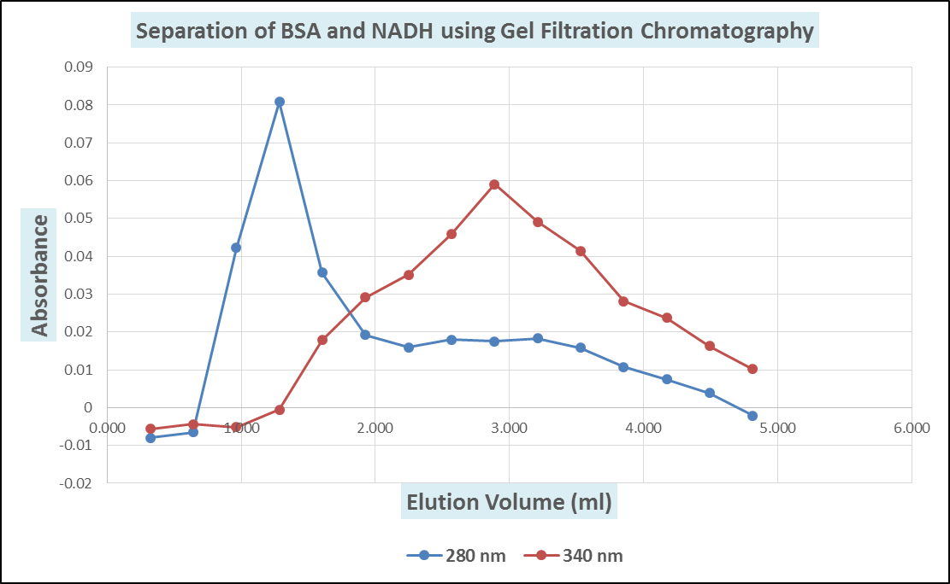

C. Paper Chromatography
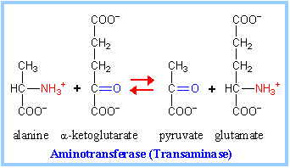
(C) Reversibility of Transamination reaction

Abbreviations used on chromatograms
GPT: | Glutamic Pyruvic Transaminase (enzyme)
A: | Alanine |  | S: | Serine
a-k: | a-ketoglutarate |  | Asp: | Aspartate
P: | Pyruvate |  | a-ab: | a-aminobutyrate
G: | Glutamate |  | b-ab: | b-aminobutyrate

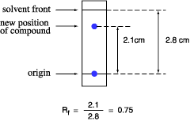
Table 2: Reaction reversibility of liver GPT
Tube no. | Vol. of Alanine (µl) {A} | Vol. of α-keto-glutarate (µl) {G} | Vol. of Pyruvate (µl) {P} | Vol. of Glutamate (µl) {G} | Tissue extract Volume (µl)
1 | 100 | 100 | - | - | 800 µl
2 | - | - | 100 | 100 | 800 µl
3 | - | - | - | - | 1000 µl

1. Figure A shows the results for Reactions 1-3 in Table 2, with standards.
2. Use the mouse to move the scanned "ruler" shown., for measuring distances. |  |  |  |  |  |  | Rf = | distance travelled by compound from origin
3. Measure the distance from the origin (cross) to the centre of each coloured spot |  |  |  |  |  |  |  | -----------------------------------------------------------
and record the values in Table 3 (white cells). |  |  |  |  |  |  |  | distance travelled by solvent front from origin
4. Faint spots have been marked with a circle or oval in black.
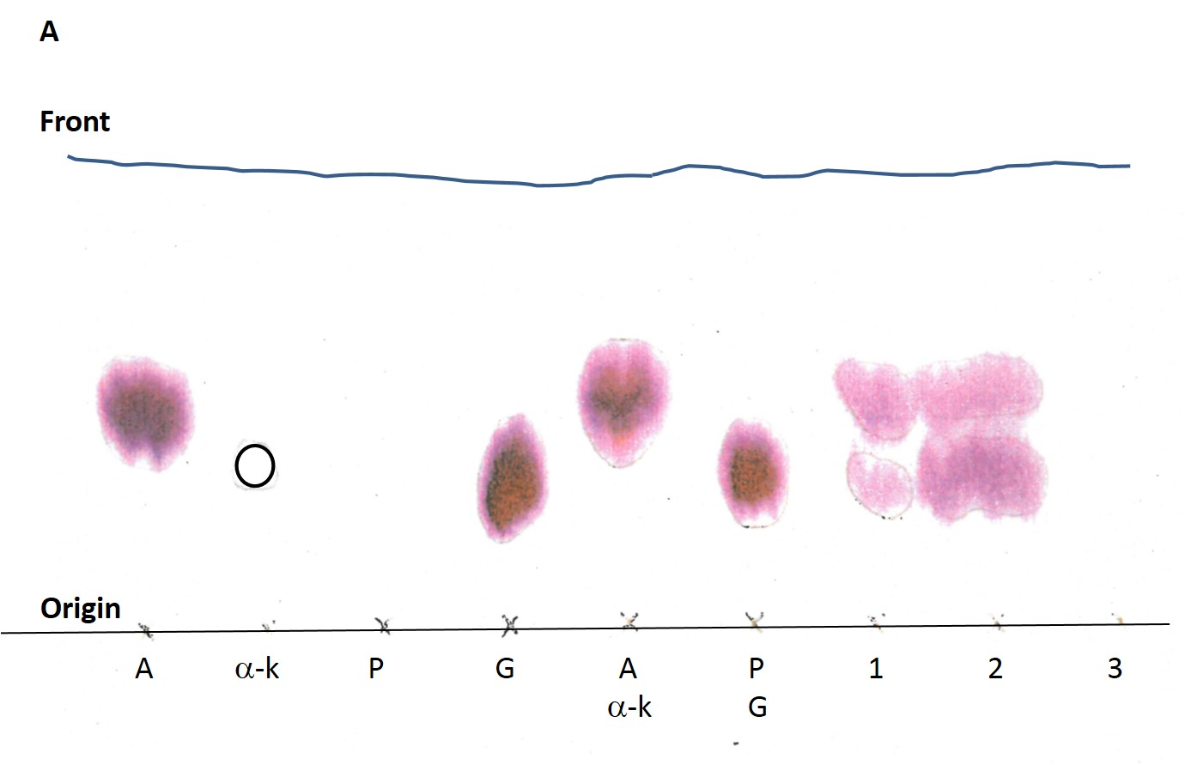
5. Calculate the Rf values for all spots (see figure shown)
6. Using the standards (highlighted in blue), identify the spots seen in 1, 2 and 3.

Table 3: Results obtained from Chromatogram A
Standard(s) or reaction no. |  | Number of spots | Distance travelled by substance (cm) | Distance travelled by solvent (cm) | Rf value for each spot | Deduced identity of each spot

Alanine |  | 1 | 2.5 | 5.3 | 0.47169811321
α-keto-glutarate |  | 0 | 0 | 5.2 | 0
Pyruvate |  | 0 | 0 | 5.2 | 0
Glutamate |  | 1 | 1.7 | 5.1 | 0.33333333333
Alanine + |  | 1 | 2.6 | 5.1 | 0.50980392157
α-ketoglutarate
Pyruvate + |  | 1 | 1.7 | 5.1 | 0.33333333333
glutamate
1 |  | 2 | 2.5 | 5.2 | 0.48076923077 | Alanine
 |  |  | 1.6 | 5.2 | 0.30769230769 | Glutamate
2 |  | 2 | 2.6 | 5.2 | 0.5 | Alanine
 |  |  | 1.8 | 5.2 | 0.34615384615 | Glutamate
3 |  | 0 | 0 | 5.2 | 0 | Pyruvate

